Algae IBI Figure
 |  | 901M14156 | ALC@Trabuco | ALC04@AlisoPark | SMC00963
 | S2 | 15 | 18.333333333 | 16.666666667 | 6.6666666667
 | D18 | 30 | 50 | 42 | 82
 | H20 | 28.75 | 37.5 | 28.75 | 55
Ref |  | 57 | 57 | 57 | 57

H20 Reference
H20 Non-Reference

IPI Figure
IPI | StationCode | 901M14156 | ALC@Trabuco | ALC04@AlisoPark | SMC00963
AnalyteName | Overall Score | 0.92 | 0.74 | 0.87 | 0.84
altered |  | 0.83 | 0.83 | 0.83 | 0.83

ASCI Figure
 |  | 901M14156 | ALC at Trabuco | ALC04 at AlisoPark | SMC00963
 | Soft | 0.45127080816 | 0.64482868617 | 0.63285582723 | 0.09203699905
 | Diatom | 0.42236105439 | 0.46304881683 | 0.5529940767 | 0.53312030628
 | Hybrid | 0.52096101883 | 0.50557528592 | 0.50116406705 | 0.54979758401
Diatom & Hy Ref |  | 0.86 | 0.86 | 0.86 | 0.86
Soft Ref |  | 0.65 | 0.65 | 0.65 | 0.65

CRAM CSCI PHab Figure
 | 901M14156 | ALC@Trabuco | ALC04@AlisoPark | SMC00963 | Physical Habitat | AnalyteName |  |  | CRAM | AnalyteName
MMI Score | 0.51 | 0.45 | 0.59 | 0.63 | StationCode | Channel Alteration | Sediment Deposition | Epifaunal Substrate | StationCode | Overall Score
O/E | 0.73 | 0.92 | 0.93 | 0.91 | 901M14156 | 15 | 15 | 14 | 901M14156 | 73
CSCI Score | 0.62 | 0.68 | 0.76 | 0.77 | ALC@Trabuco | 14 | 12 | 11 | ALC@Trabuco | 77
30 | 0.92 | 0.92 | 0.92 | 0.92 | ALC04@AlisoPark | 10 | 7 | 14 | ALC04@AlisoPark | 66
10 | 0.79 | 0.79 | 0.79 | 0.79 | SMC00963 | 14 | 6 | 15 | SMC00963 | 70
1 | 0.62 | 0.62 | 0.62 | 0.62

Figure 11.14. CSCI Scores including the MMI and O/E for sites in the SAR. Horizontal green lines represent (from bottom to top) the 1st, 10th, and 30th percentiles of the reference site distribution for the CSCI scores.

CSCI Scores in the SDR Summer 2018 Survey

Figure 11.15. Physical habitat assessment scores for sites in the SAR Region . Histograms represent summed scores for each of three habitat conditions. A total score of 60 represents the best conditions.

Figure 11.16. California Rapid Assessment (CRAM) scores for sites in the SAR Region. Scores can range from worst (27) to best (100).

CRAM CSCI Correlation
Station | Year | Overall CRAM Score | CSCI Score | R | P Value
SMC00206 | 2009 | 83 | 0.620836241 | 0.6209 | 0 | 67.918367347 | 0.69123924613
SMC00531 | 2009 | 31 | 0.488661328
SMC00873 | 2009 | 72 | 0.69577873
SMC00963 | 2010 | 83 | 0.81721195
SMC01257 | 2011 | 77 | 0.72455334074 |  |  |  |  | 0.79 | 25
SMC01555 | 2011 | 39 | 0.68347871614 |  |  |  |  | 0.79 | 50
SMC01934 | 2012 | 43 | 0.5690621197 |  |  |  |  | 0.79 | 75
SMC01987 | 2012 | 58 | 0.76190671895 |  |  |  |  | 0.79 | 100
SMC03011 | 2013 | 27 | 0.63031793579
SMC03523 | 2013 | 61 | 0.58884179469
REF-TCAS | 2014 | 91 | 0.905939591
SMC00206 | 2014 | 84 | 0.716040747
SMC00873 | 2014 | 91 | 0.809868175
SMC00963 | 2014 | 83 | 0.878572057
901M14118 | 2015 | 76 | 0.959976217
901M14124 | 2015 | 33 | 0.371328496
SMC00206 | 2015 | 83 | 0.674167861
SMC00873 | 2015 | 76 | 0.707929398
901M14126 | 2016 | 71 | 0.64076539668
901M14134 | 2016 | 75 | 0.67268828794
SMC00206 | 2016 | 83 | 0.75640367241
SMC00873 | 2016 | 75 | 0.60957728197
901M14137 | 2017 | 59 | 0.406585916
901M14138 | 2017 | 79 | 0.833921811
SMC00206 | 2017 | 83 | 0.771558282
SMC00873 | 2017 | 82 | 0.592736389
901M14141 | 2018 | 58 | 0.801493131
901M14142 | 2018 | 80 | 0.567116568
SMC00206 | 2018 | 85 | 0.760519274
SMC00873 | 2018 | 66 | 0.804925776
901M14145 | 2019 | 44 | 0.571506396
901M14149 | 2019 | 73 | 0.620657239
SMC00206 | 2019 | 79 | 0.827036082
SMC00873 | 2019 | 71 | 0.703665227
901M14150 | 2020 | 77 | 0.79486410274
901M14153 | 2020 | 46 | 0.68833028462
SMC00206 | 2020 | 73 | 0.79336728905
SMC00873 | 2020 | 74 | 0.63716204514
901M14155 | 2021 | 75 | 0.677986944
SMC00531 | 2021 | 31 | 0.409889944
ALC04@Aliso Park | 2021 | 64 | 0.714337458
901M14169 | 2022 | 72 | 0.618818008
901M14170 | 2022 | 81 | 0.928795314
ALC04@Aliso Park | 2022 | 64 | 0.79636425
SMC00531 | 2022 | 31 | 0.42134018
901M14156 | 2023 | 73 | 0.62211440571
ALC at Trabuco | 2023 | 77 | 0.68442923688
ALC04 at AlisoPark | 2023 | 66 | 0.76446948043
SMC00963 | 2023 | 70 | 0.772825971

Fig 11.20 Dendro
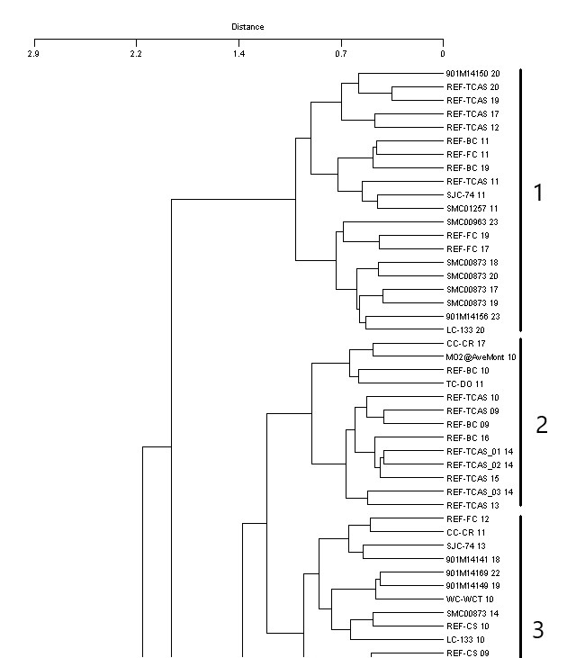

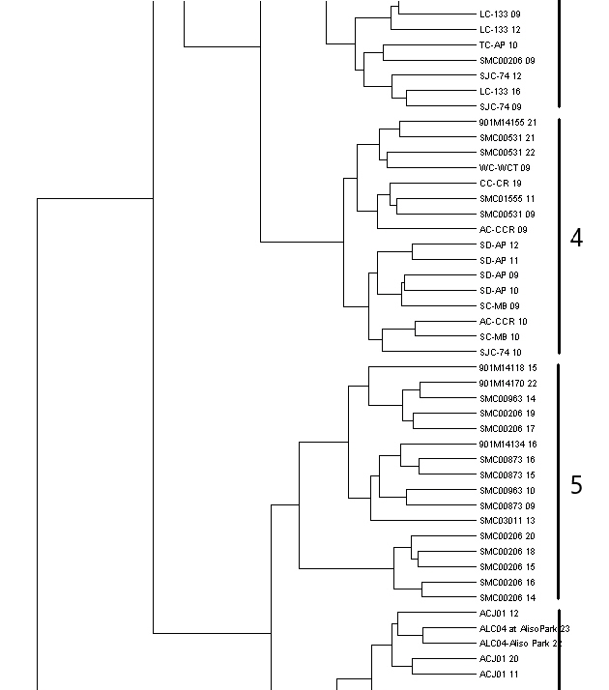

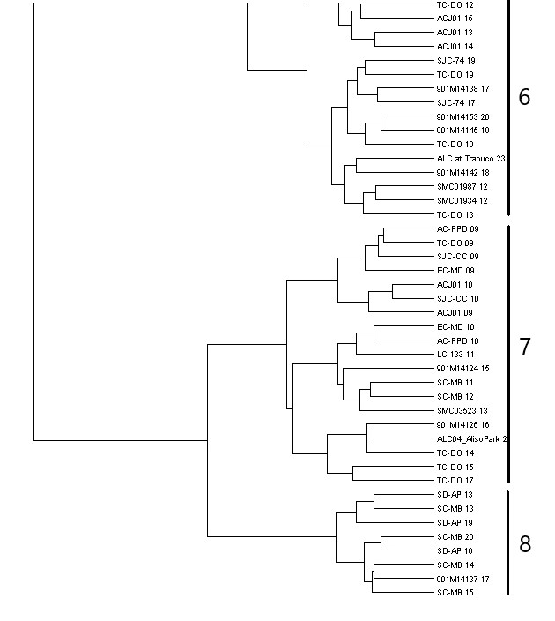

Fig 11.21 TWT
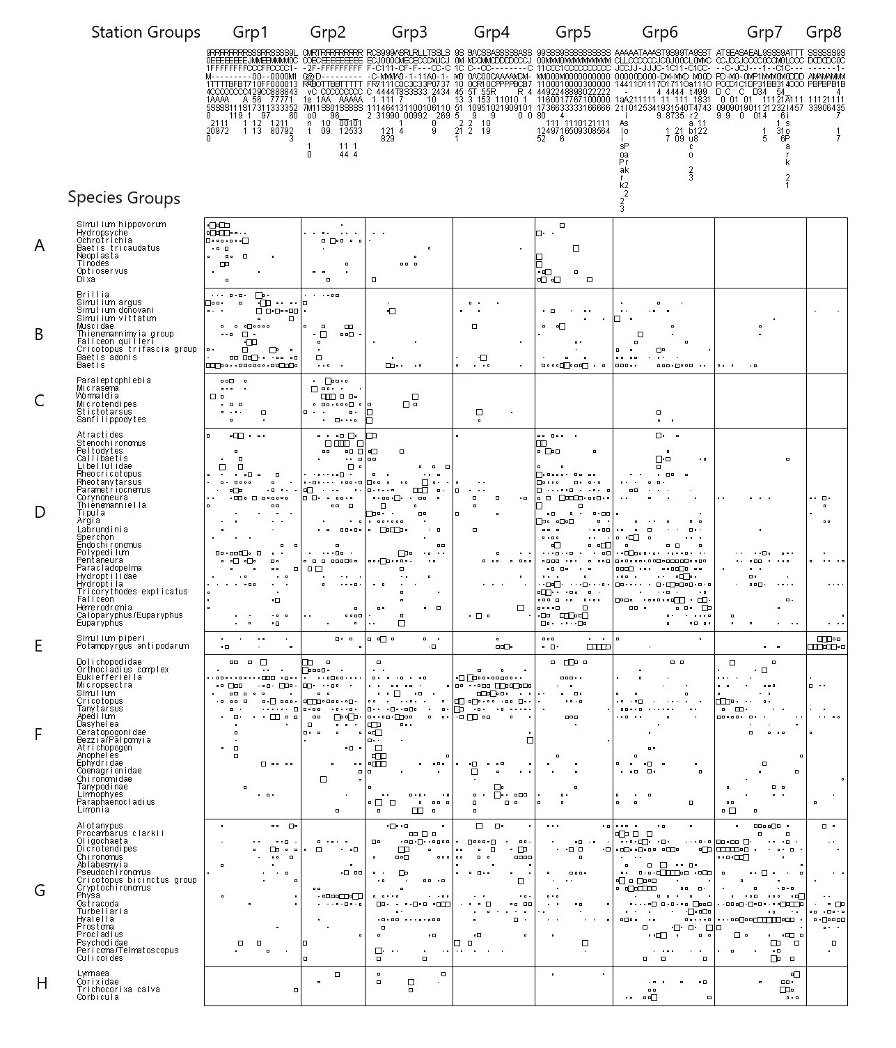

Figure 11.21. Two-way coincidence table for station by station, and species by species similarities generated from cluster analysis. Symbols represent the relative abundance for each species at a given site.

Fig 11.22a Rpt Biotic Index
CSCI
 | q1 | min | median | max | q3
1 | 0.67560551204 | 0.52355842758 | 0.77796462352 | 0.98056801512 | 0.86755611841
2 | 0.79848378297 | 0.487190165 | 0.872134416 | 1.108035674 | 0.932051294
3 | 0.5960794675 | 0.472600693 | 0.63144526524 | 0.87812102982 | 0.79259546422
4 | 0.46399985225 | 0.397027413 | 0.57631277638 | 0.841571676 | 0.67935988674
5 | 0.69037601275 | 0.60957728197 | 0.7584614732 | 0.959976217 | 0.819667983
6 | 0.68442923688 | 0.567116568 | 0.74530304546 | 0.883193383 | 0.7823646128
7 | 0.46215932982 | 0.32593959655 | 0.547791027 | 0.7147668454 | 0.6436220757
8 | 0.41219789295 | 0.38791568113 | 0.43469191859 | 0.520423691 | 0.48879645871
H20
 | q1 | min | median | max | q3
1 | 21.875 | 13.75 | 35 | 85 | 60
2 | 66.5 | 12 | 76 | 81 | 79
3 | 41 | 13.75 | 45 | 56 | 46.5
4 | 11.5625 | 4 | 16.75 | 31.25 | 25.875
5 | 43.3125 | 28.75 | 50 | 65 | 55
6 | 28 | 15 | 33.75 | 52 | 43.75
7 | 16.5 | 12 | 36 | 46 | 43.125
8 | 24.25 | 20 | 43.5 | 71 | 50.375

Figure 11.22c. Median concentrations of CSCI and H20 scores by groups derived from cluster analysis of the BMI dataset

Fig 11.22b Rpt Phab
Channel Alteration
 | q1 | min | median | max | q3
1 | 13.75 | 12 | 15 | 20 | 16.25
2 | 15.5 | 3 | 18 | 19 | 18.5
3 | 15 | 3 | 16 | 20 | 18
4 | 3.5 | 0 | 7 | 19 | 18
5 | 13 | 1 | 15 | 20 | 18.25
6 | 4 | 1 | 10 | 19 | 15
7 | 4.5 | 0 | 6 | 19 | 10
8 | 7 | 7 | 13 | 19 | 16.75
Instream Cover
 | q1 | min | median | max | q3
1 | 10 | 7 | 13.5 | 18 | 15
2 | 11 | 2 | 15 | 16 | 16
3 | 7 | 4 | 8 | 15 | 10
4 | 6 | 0 | 9 | 12 | 10
5 | 8.5 | 3 | 10.5 | 15 | 13.25
6 | 5 | 2 | 11 | 15 | 13
7 | 3.5 | 1 | 6 | 15 | 8.5
8 | 7 | 7 | 10.5 | 12 | 11.25

Sediment Deposition
 | q1 | min | median | max | q3
1 | 8 | 5 | 10 | 18 | 15
2 | 10.5 | 5 | 15 | 18 | 16
3 | 4.5 | 1 | 8.5 | 17 | 12
4 | 5 | 2 | 10 | 20 | 14.5
5 | 8 | 2 | 9.5 | 19 | 12.25
6 | 6 | 2 | 9 | 13 | 10
7 | 4 | 2 | 6 | 19 | 9
8 | 7.75 | 6 | 10 | 14 | 13

Figure 11.22b. Median concentrations of physical habitat conditions by groups derived from cluster analysis of the BMI dataset

Fig 11.22c Rpt Phys Chem
Dissolved Oxygen
 | q1 | min | median | max | q3
1 | 8.8975 | 7.6 | 9.455 | 11.03 | 9.68
2 | 9 | 8.34 | 9.37 | 14.94 | 11.32
3 | 8.345 | 5.48 | 8.695 | 13.74 | 9.7775
4 | 8.43 | 7.86 | 9.85 | 18.93 | 11.395
5 | 8.6925 | 7.62 | 9.165 | 13.85 | 9.9
6 | 8.56 | 6.18 | 9.15 | 13.71 | 10.13
7 | 7.76 | 5.9 | 9.75 | 16.09 | 11.855
8 | 6.66 | 6 | 8.775 | 12.7 | 10.87
Hardness
 | q1 | min | median | max | q3
1 | 318 | 190 | 369 | 1220 | 428.775
2 | 294 | 190 | 355 | 645 | 457.5
3 | 360 | 135 | 500 | 1120 | 705
4 | 560.75 | 253 | 660 | 1685 | 1325
5 | 409 | 360 | 516.75 | 719 | 618.5
6 | 672.75 | 386.6 | 758 | 1220 | 833
7 | 930 | 685 | 1158.65 | 2140 | 1217.5
8 | 1220 | 1160 | 1590 | 1678.3 | 1640

pH
 | q1 | min | median | max | q3
1 | 7.955 | 7.69 | 8.08 | 8.98 | 8.455
2 | 7.845 | 7.76 | 7.91 | 8.56 | 8.11
3 | 7.6625 | 7.24 | 7.87 | 8.33 | 8.05
4 | 7.595 | 6.8 | 7.91 | 12.42 | 8.36
5 | 7.79 | 7.68 | 8.02 | 8.56 | 8.155
6 | 7.88 | 7.67 | 8.07 | 8.58 | 8.13
7 | 7.72 | 7.48 | 7.91 | 8.32 | 8.01
8 | 7.75 | 7.64 | 7.85 | 8.24 | 7.99
EC
 | q1 | min | median | max | q3
1 | 707.5 | 453 | 1050.5 | 4193 | 1556.5
2 | 878 | 560 | 962 | 1966 | 1149
3 | 1234.725 | 1028 | 1951.5 | 2750.4 | 2545.25
4 | 1411.5 | 916 | 1969 | 5604 | 3349
5 | 1329.5 | 1024 | 1492.5 | 2124 | 1584.95
6 | 1985.75 | 1054 | 2884 | 3933 | 3450.75
7 | 3215.75 | 2173 | 3379.5 | 6319 | 4159.75
8 | 4691 | 3875 | 5053.5 | 5756 | 5331.25

Water Temperature
 | q1 | min | median | max | q3
1 | 15.9975 | 15.21 | 17.98 | 28.42 | 19.6975
2 | 15.07 | 11.99 | 16.41 | 23.36 | 17.885
3 | 17.5 | 14.77 | 18.09 | 23.19 | 18.9
4 | 16.52 | 13.81 | 18.11 | 22.46 | 19.7
5 | 16.6475 | 14.74 | 17.935 | 22.33 | 19.4175
6 | 19.15 | 18.46 | 20.53 | 29.77 | 21.39
7 | 19.46 | 15.59 | 20.31 | 26.62 | 21.38
8 | 16.285 | 15.22 | 17.76 | 20.32 | 19.005
TSS
 | q1 | min | median | max | q3
1 | 0.795 | 0.555 | 5 | 14 | 5
2 | 5 | 1 | 5 | 17 | 5
3 | 5 | 1.12 | 5 | 30.8 | 8.25
4 | 4.85 | 0.5 | 5 | 23 | 7.25
5 | 1.825 | 0.5 | 5 | 8.7 | 5
6 | 0.92 | 0.625 | 2.4 | 6 | 5
7 | 5 | 1.2 | 5 | 6 | 5
8 | 1.55 | 0.6 | 3.2 | 5 | 5

Figure 11.22c. Median concentrations of water quality parameters by groups derived from cluster analysis of the BMI dataset

Fig 11.22d Rpt Nutrients
Ammonia as N
 | q1 | min | median | max | q3
1 | 0.05475 | 0.01 | 0.1 | 0.111 | 0.1
2 | 0.1 | 0.1 | 0.1 | 0.142 | 0.1
3 | 0.1 | 0.01 | 0.1 | 0.3 | 0.1
4 | 0.1 | 0.007 | 0.1 | 0.16 | 0.1
5 | 0.0454 | 0.0224 | 0.09825 | 0.1 | 0.1
6 | 0.0414 | 0.0174 | 0.1 | 0.22 | 0.1
7 | 0.1 | 0.1 | 0.1 | 2.18 | 0.25
8 | 0.1 | 0.03 | 0.1 | 1.85 | 0.1205
NitrateNitrite as NO3
 | q1 | min | median | max | q3
1 | 0.1 | 0.01 | 0.4 | 4.16326 | 0.4
2 | 0.4 | 0.4 | 0.4 | 0.96 | 0.4
3 | 0.4 | 0.01 | 0.4 | 13 | 0.608
4 | 0.4 | 0.01 | 1.8818875 | 19.1 | 8.16
5 | 0.235 | 0.01 | 0.4 | 16 | 1.162
6 | 0.325 | 0.01 | 0.566 | 4.78332 | 2.20232025
7 | 0.4 | 0.4 | 1.25 | 13 | 4.465
8 | 0.4 | 0.2 | 0.4 | 26 | 3.925

OrthoPhosphate as P
 | q1 | min | median | max | q3
1 | 0.02 | 0.008 | 0.02 | 0.14 | 0.0383
2 | 0.015 | 0.01 | 0.02 | 0.098 | 0.02
3 | 0.02 | 0.0118 | 0.02 | 0.36 | 0.1
4 | 0.0261 | 0.01 | 0.12 | 0.52 | 0.235
5 | 0.0381 | 0.017 | 0.05 | 0.13 | 0.09395
6 | 0.017225 | 0.01 | 0.02 | 0.0993 | 0.037275
7 | 0.028 | 0.012 | 0.09 | 0.57 | 0.29
8 | 0.312 | 0.244 | 0.439 | 0.69 | 0.595
TKN
 | q1 | min | median | max | q3
1 | 0.2 | 0.05 | 0.2215 | 0.63 | 0.4
2 | 0.2 | 0.1 | 0.2 | 1.3 | 0.265
3 | 0.2 | 0.092 | 0.3 | 0.885 | 0.5
4 | 0.43775 | 0.188 | 0.5005 | 2.79 | 1.17
5 | 0.125 | 0.1 | 0.23 | 0.617 | 0.343
6 | 0.25725 | 0.156 | 0.419 | 1.4 | 0.569
7 | 0.52 | 0.33 | 0.7 | 2.26 | 1.16
8 | 0.815 | 0.495 | 0.933 | 2.6 | 1.485

TotalPhosphorus as PO4
 | q1 | min | median | max | q3
1 | 0.06 | 0.04 | 0.1095839845 | 0.48 | 0.19775
2 | 0.0525 | 0.031 | 0.06 | 120 | 0.06
3 | 0.12 | 0.06 | 0.17 | 1.13 | 0.37
4 | 0.195172 | 0.016 | 0.645 | 1.71 | 0.8275
5 | 0.12 | 0.067 | 0.17 | 0.42 | 0.33
6 | 0.0795 | 0.0451 | 0.113 | 0.51517468518 | 0.20073787536
7 | 0.15775 | 0.059 | 0.345 | 1.8 | 1.0175
8 | 0.8795 | 0.74 | 1.426 | 2.26 | 1.83

Removed Total PO4 value from box plot at site M02@AveMont-2010. Value 120 mg/L

Fig 11.22e Rpt Metals
Arsenic (Dissolved)
 | q1 | min | median | max | q3
1 | 1.05 | 0.55 | 2.4 | 4.7 | 3.3
2 | 0.8575 | 0.62 | 2.1 | 2.9 | 2.275
3 | 2.125 | 0.84 | 2.5 | 3.7 | 3.175
4 | 1.45 | 0.835 | 2.5 | 3.8 | 3.1
5 | 1.9 | 1.9 | 2.1 | 2.7 | 2.5
6 | 1.7 | 0.915 | 2.5 | 4 | 3.55
7 | 2.2 | 1.9 | 3.2 | 5 | 3.85
8 | 1.25 | 1.2 | 1.5 | 2.4 | 2.0875
Copper (Dissolved)
 | q1 | min | median | max | q3
1 | 0.87 | 0.56 | 1.035 | 4.2 | 1.8
2 | 1.1 | 0.95 | 1.4 | 17 | 1.8
3 | 0.7025 | 0.5 | 1.3 | 2.9 | 2.25
4 | 1.35 | 0.69 | 1.8 | 3.1 | 2.55
5 | 1.3 | 1.2 | 1.6 | 3.3 | 1.8
6 | 1.3 | 1.1 | 1.5 | 1.8 | 1.6
7 | 1.55 | 1.3 | 2 | 4.9 | 2.85
8 | 0.765 | 0.66 | 1.385 | 4.2 | 3.175

Chromium (Dissolved)
 | q1 | min | median | max | q3
1 | 0.2 | 0.2 | 0.2 | 0.5 | 0.365
2 | 0.2 | 0.2 | 0.35 | 2.8 | 0.5
3 | 0.5 | 0.2 | 0.5 | 0.5 | 0.5
4 | 0.5 | 0.2 | 0.5 | 1 | 0.6
5 | 0.2 | 0.2 | 0.5 | 0.5 | 0.5
6 | 0.2 | 0.2 | 0.28 | 0.5 | 0.5
7 | 0.5 | 0.2 | 0.5 | 1 | 0.625
8 | 0.2 | 0.2 | 0.28 | 0.515 | 0.465
Zinc (Dissolved)
 | q1 | min | median | max | q3
1 | 5 | 2 | 5 | 5 | 5
2 | 2.9 | 2.2 | 5 | 26 | 5
3 | 2 | 2 | 2.1 | 5.5 | 4.1
4 | 3.95 | 2 | 5.9 | 9.4 | 7.1
5 | 2.2 | 2 | 4.3 | 5 | 5
6 | 3.85 | 2 | 5 | 14 | 5
7 | 3.875 | 2 | 4.25 | 17 | 6.25
8 | 5 | 3.5 | 5 | 29.5 | 13.25

Figure 11.22e. Median concentrations of four dissolved metals by groups derived from cluster analysis of the BMI dataset from 2009 to 2018.

Fig 11.22f Rpt Gen Chem
Calcium
 | q1 | min | median | max | q3
1 | 98.75 | 76 | 109 | 301 | 157.15
2 | 107.3 | 79.6 | 135 | 530 | 332.5
3 | 117.75 | 114 | 143 | 316 | 204.25
4 | 84 | 70.9 | 88.2 | 120 | 98.2
5 | 127 | 117.64 | 154.05 | 187 | 173
6 | 179 | 112 | 190 | 245 | 216
7 | 251.475 | 237 | 263.15 | 372 | 295.5
8 | 345 | 331 | 359 | 390.21 | 374.605
Chloride
 | q1 | min | median | max | q3
1 | 13.75 | 9.32 | 74.95 | 330 | 137.75
2 | 18.35 | 14.6 | 25 | 2600 | 63.05
3 | 97.3 | 73.3 | 160 | 350 | 205
4 | 120 | 109 | 300 | 5600 | 323
5 | 137.275 | 99.6 | 170 | 250 | 189.35
6 | 105.95 | 38 | 215 | 415 | 301
7 | 345 | 317 | 455.35 | 980 | 717.5
8 | 620 | 440 | 740 | 909 | 856.1

Fluoride
 | q1 | min | median | max | q3
1 | 0.253 | 0.13 | 0.476 | 0.983 | 0.645
2 | 0.385 | 0.27 | 0.5 | 0.96 | 0.73
3 | 0.37225 | 0.345 | 0.46 | 0.74 | 0.5755
4 | 0.544 | 0.35 | 0.73 | 0.83 | 0.794
5 | 0.31925 | 0.114 | 0.391 | 0.55 | 0.4775
6 | 0.41 | 0.249 | 0.461 | 0.74 | 0.564
7 | 0.43 | 0.37 | 0.77 | 0.87 | 0.84
8 | 0.5 | 0.1 | 0.9 | 1.4 | 1.15
Sulfate
 | q1 | min | median | max | q3
1 | 178 | 0.346 | 196.5 | 1100 | 252.5
2 | 205 | 0.346 | 251 | 5400 | 299
3 | 234.5 | 0.346 | 310 | 1200 | 446.5
4 | 224.5 | 0.346 | 290 | 7040 | 681.5
5 | 219.75 | 0.346 | 259.075 | 500 | 308.75
6 | 485 | 0.346 | 566 | 880 | 609
7 | 950 | 0.346 | 1041.4 | 2300 | 1390
8 | 1220 | 0.346 | 1326.2 | 1650 | 1360

Figure 11.22f. Median concentrations of ions by groups derived from cluster analysis of the BMI dataset.

